Activos de red
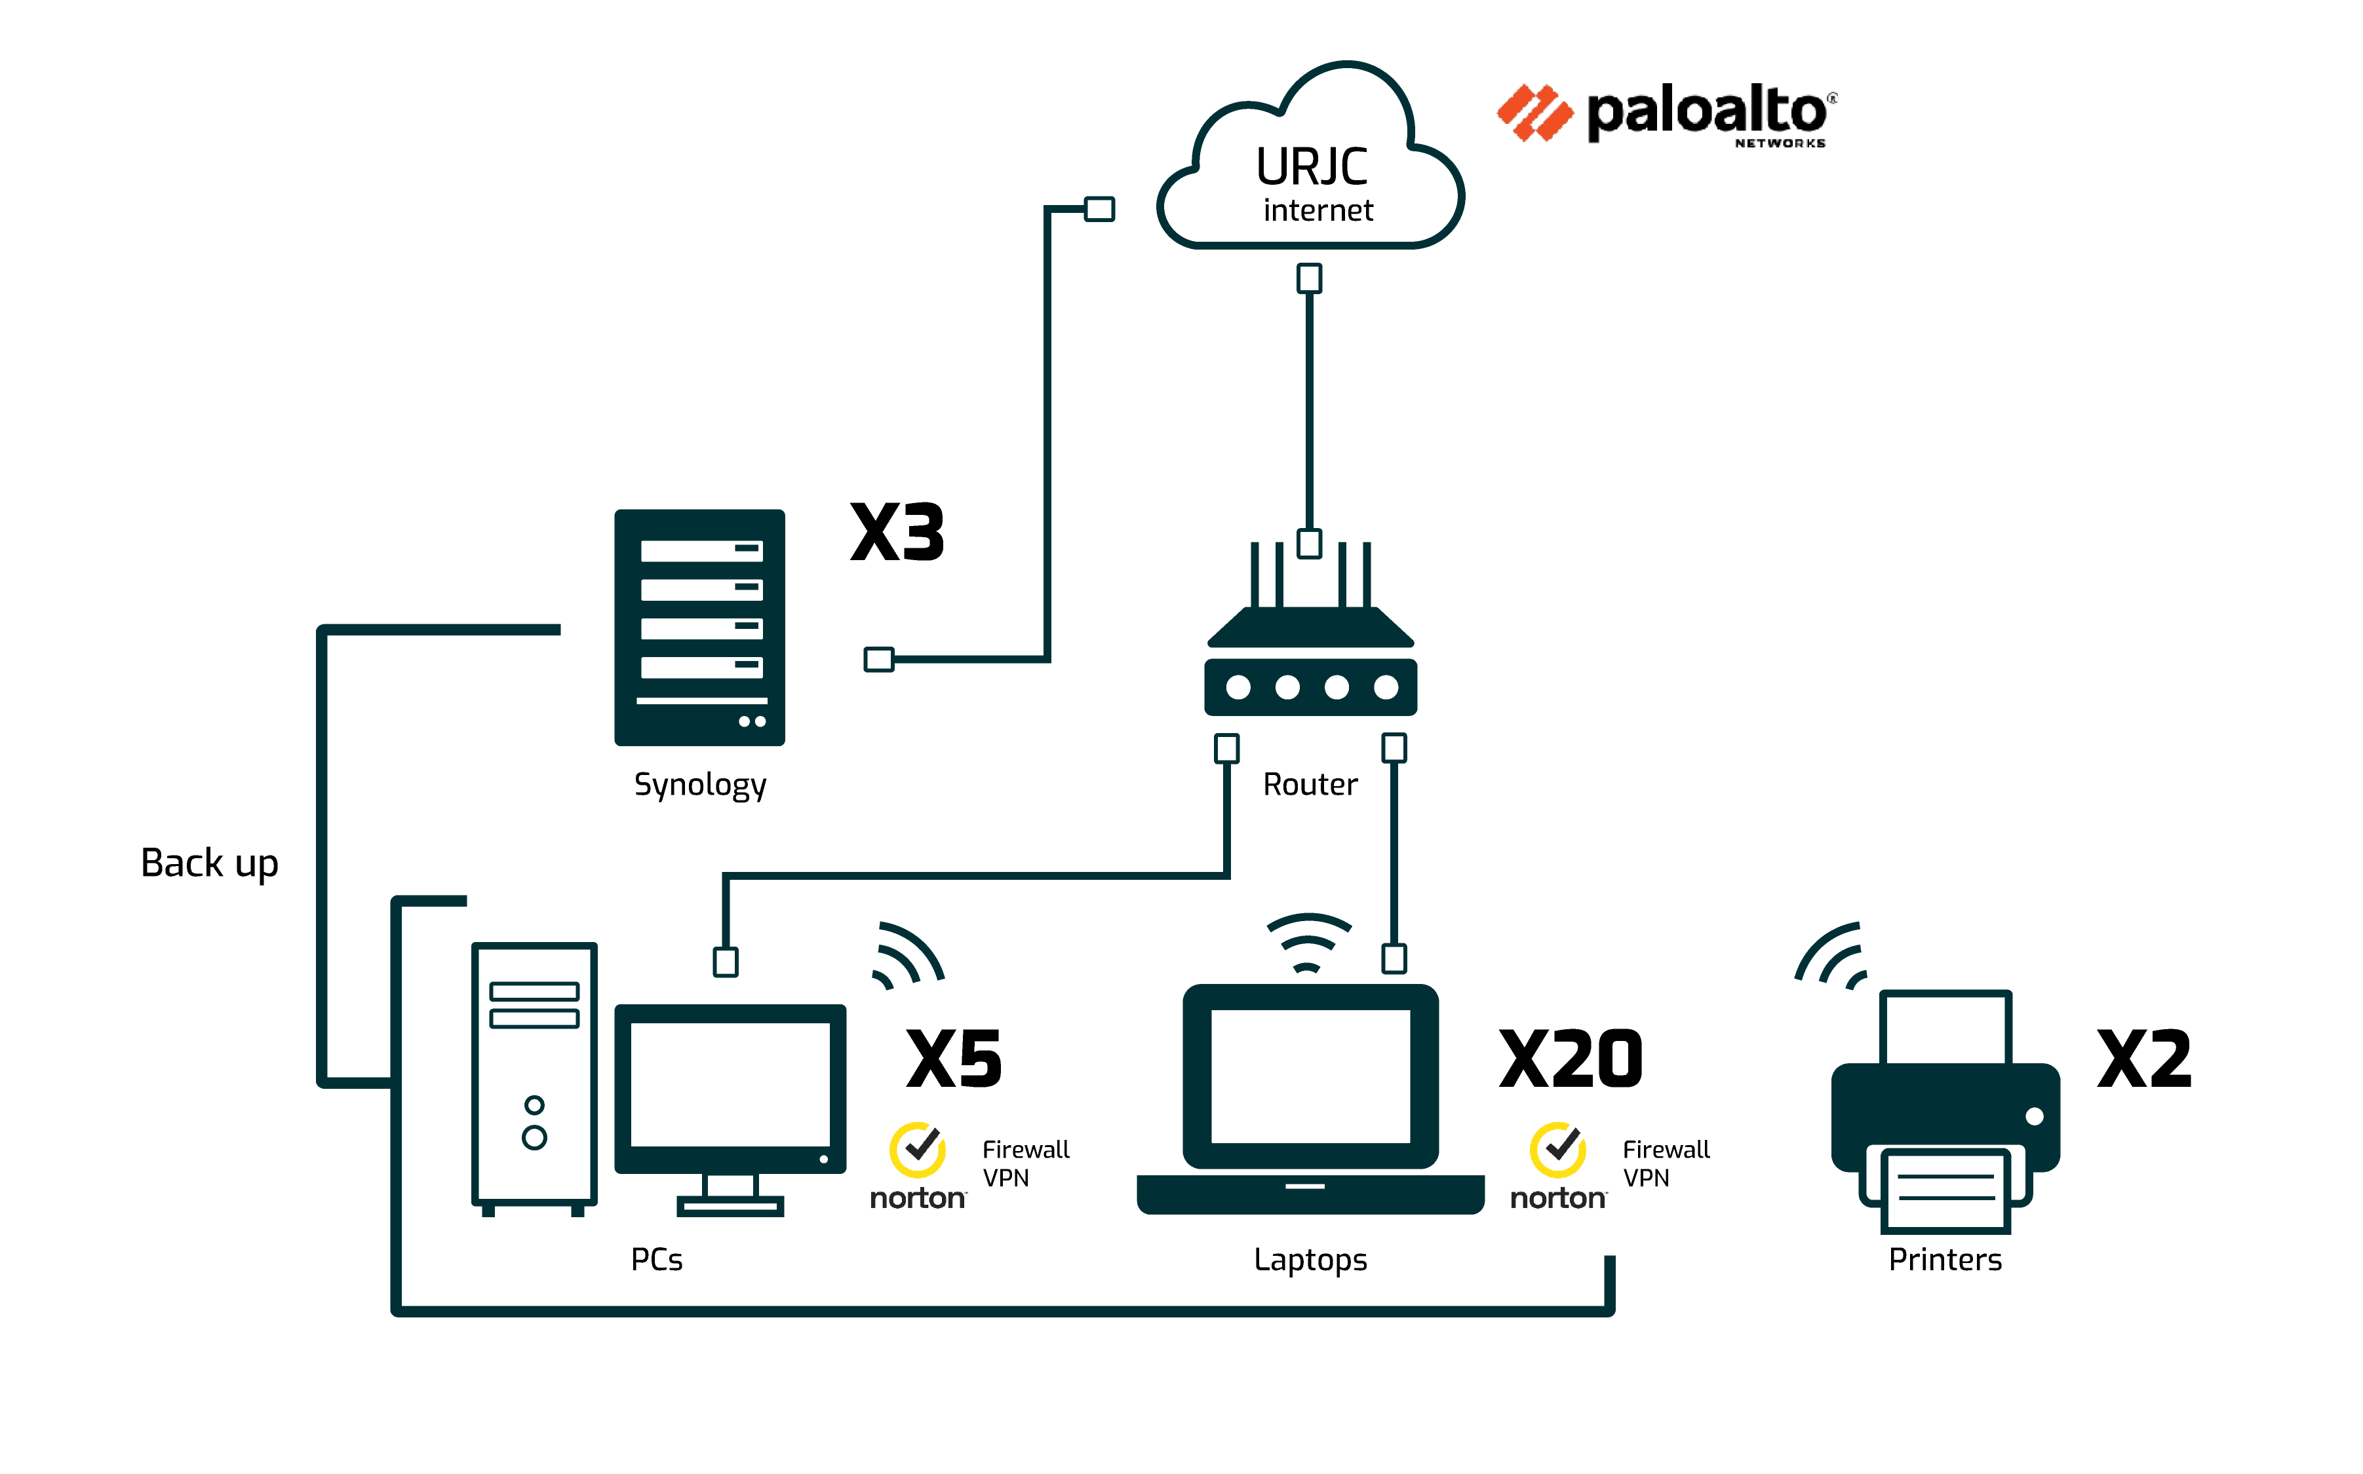
Activo | Fabricante/Modelo | Responsable | Dirección IP | MAC Address | Ubicación | Notas
Dominios
https://www.spikatech.com/ |  | Carlos Rodrigo | 37.59.203.111 |  | OVH
https://www.vr-cardioexplore.com/#/ |  | Carlos Rodrigo | 199.36.158.100 |  | Cloud Hosting
https://www.visualcardio.com/#/ |  | Carlos Rodrigo | 188.114.96.0 & 188.114.97.0 |  | Cloud Hosting
https://lascinconaos.com |  | Carlos Rodrigo | 104.21.32.1 |  | Cloud Hosting
APIs
Cloud functions | Google | Carlos Rodrigo | 216.239.36.54, 216.239.36.54 |  | Firebase
Cloud run | Google | Carlos Rodrigo | 216.239.36.53, 216.239.36.53, 216.239.38.53 & 216.239.38.53 |  | Firebase
Base de datos
Base de datos información | Google | Carlos Rodrigo | 34,107,226,223 |  | Firebase Realtime Database
Base de datos zips | Google | Carlos Rodrigo | 142,250,179,212 |  | Firebase Cloud Storage

